Nutfact
Product |  L-Men Veggie Chicken Steak |  Green Rebel Chicken Katsu Vegan (330gr) |  Green Rebel Chickpea Sausage (300gr) |  Green Rebel Chicken Satay Taichan (180gr) | 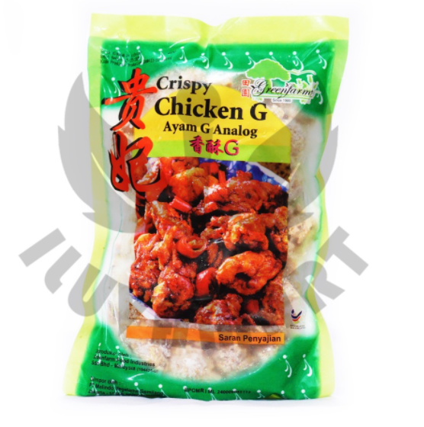 Greenfarm Crispy Chicken G (400gr) | 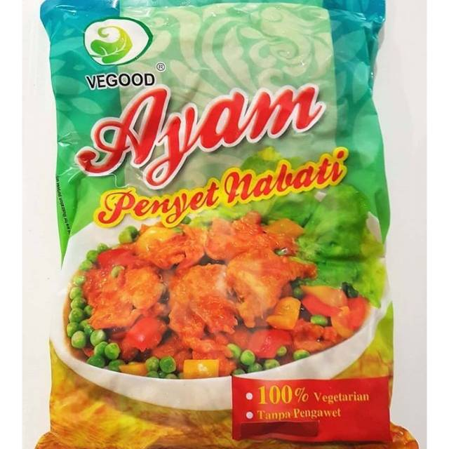 VeGood Ayam Penyet Nabati | 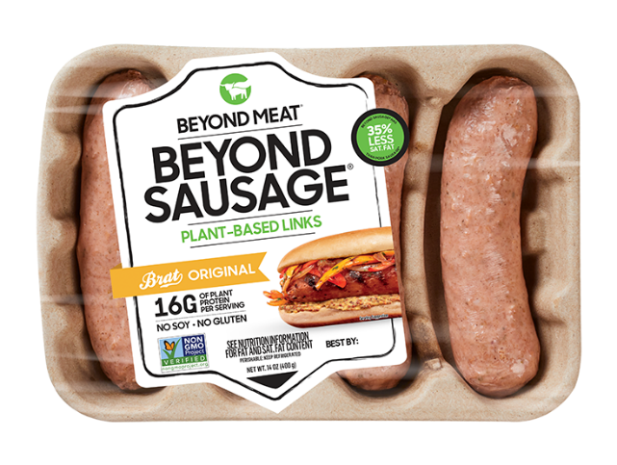 Beyond Sausage
Price | Rp80,000.00 | Rp75,000.00 | Rp69,000.00 | Rp75,000.00 | Rp48,000.00 | Rp70,000.00 | Rp460,000.00
Gramasi | 600 | 330 | 300 | 180 | 400 | 900 | 400
Gramasi/Serving | 150 | 110 | 100 | 90 | 30 | 100 | 76
Price/serving | Rp20,000 | Rp25,000 | Rp23,000 | Rp37,500 | Rp3,600 | Rp7,778 | Rp87,400
Komposisi |  | Protein kedelai, garam laut, tepung serbaguna, remah roti, minyak kelapa | Seitan / gluten gandum vital, kacang arab, tahu organik, ragi bernutrisi, peterseli, garam laut | Protein kedelai, bawang putih, garam laut | Konsentrat protein kedelai, minyak nabati, air, tepung kedelai, perisa sintetik (mengandung penguat rasa, mononatrium glutamat, dinatrium inosinat dan dinatrium guanilat) |  | Water, Pea Protein*, Refined Coconut Oil, Sunflower Oil, Natural Flavor, Contains 2% or less of: Rice Protein, Faba Bean Protein, Potato Starch, Salt, Fruit Juice (For Color), Vegetable Juice (For Color), Apple Fiber, Methylcellulose, Citrus Extract (To Protect Quality), Calcium Alginate Casing.
Klaim |  | - Whole Food (minim proses) - Rendah lemak jenuh - Bebas kolesterol - Bebas hormon dan antibiotik - Tinggi protein dan serat - Tidak mengandung MSG dan pengawet - Vegan (bebas produk susu dan F5 | - Whole Food (minim proses) - Rendah lemak jenuh - Bebas kolesterol - Bebas hormon dan antibiotik - Tinggi protein dan serat - Tidak mengandung MSG dan pengawet - Vegan (bebas produk susu dan telur | - Whole Food (minim proses) - Rendah lemak jenuh - Bebas kolesterol - Bebas hormon dan antibiotik - Tinggi protein dan serat - Tidak mengandung MSG dan pengawet - Vegan (bebas produk susu dan telur
Kalori (kkal) |  |  |  |  |  | 168 | 190
Karbohidrat (g) |  | 33.5 | 10.80 | 13.4 | 8 | 10 | 5
Protein (g) | 21 | 13.3 | 11.90 | 14.6 | 4 | 16 | 16
Kalsium (mg) |  |  |  |  |  | 6% | 4%
Lemak (g) |  | 13.8 | 1.90 | 9.3 |  | 16 | 12
Total Gula (g) |  | 2.6 | 2.60 | 3.1 |  | 2 | 0
Fiber (g) |  | 5.4 | 2.50 | 5.9 |  | 2 | 3
Sodium (mg) |  | 349.2 |  |  |  | 1170 | 500
Potassium (mg) |  |  |  |  |  |  | 230
Phosporus (mg)
Magnesium (mg)
Zat Besi (mg) |  |  |  |  |  | 12% | 20%
Natrium (mg)
Phantotenic Acid (mg)
Niacin (mg)
Asam Folat (mcg)

Pricing Benchmark
Vege Chicken Pricing Benchmark Perceptual Mark
Product | price/serving | Protein | price/gr protein
L-Men Veggie Chicken Steak | Rp20,000.00 | 21 | Rp952.38
Green Rebel Chicken Katsu Vegan (330gr) | Rp25,000.00 | 13.3 | Rp1,879.70
Green Rebel Chickpea Sausage (300gr) | Rp23,000.00 | 11.90 | Rp1,932.77
Green Rebel Chicken Satay Taichan (180gr) | Rp37,500.00 | 14.6 | Rp2,568.49
Greenfarm Crispy Chicken G (400gr) | Rp3,600.00 | 4 | Rp900.00
VeGood Ayam Penyet Nabati | Rp7,777.78 | 16 | Rp486.11
Beyond Sausage | Rp87,400.00 | 16 | Rp5,462.50

